Cover
 |  | Vectorlab - OWASP ASVS Checklist |  |  | DIG - MDPO25.A.1

 |  |  |  |  | Rev. 0.0 | 2026-04-24

Cliente |  |  | <Cliente>
Progetto |  |  | <Progetto>
Livello di classificazione |  |  | Interno

Rev. | Data | Descrizione |  | Redatto | Approvato | Classificazione
0.0 | gg/mmm/aaa | Prima emissione |  | Area Digital | CTO | Interno

Results
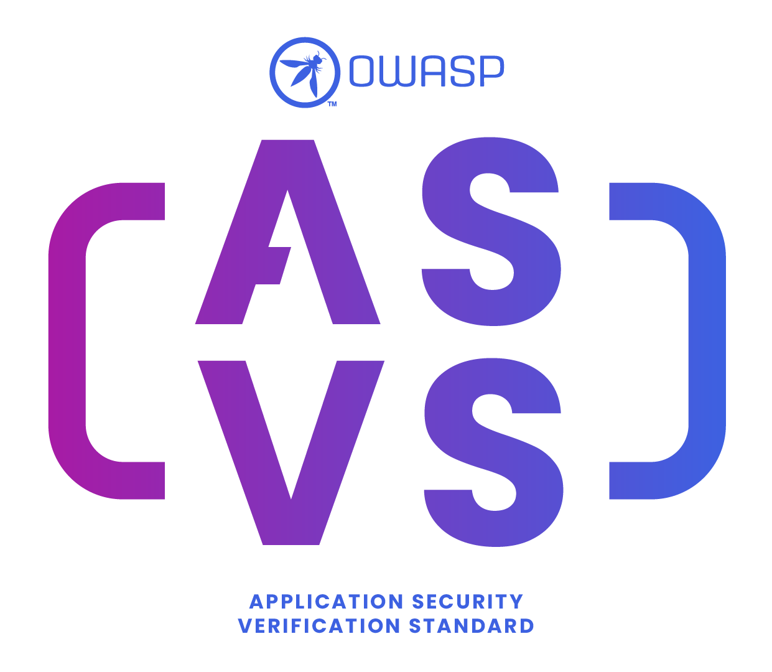
Results

Current ASVS version | 4.0.3
Level want to obtain | 1

Category | Valid | Invalid | Not Applicable | Total criteria | Validity Percentage | ASVS Level Acquired
V1 - Architecture, Design and Threat Modeling | 0 | 0 | 0 | 0 | 100.00%
V2 - Authentication | 0 | 0 | 0 | 0 | 100.00%
V3 - Session Management | 0 | 0 | 0 | 0 | 100.00%
V4 - Access Control | 0 | 0 | 0 | 0 | 100.00%
V5 - Validation, Sanitization and Encoding | 0 | 0 | 0 | 0 | 100.00%
V6 - Stored Cryptography | 0 | 0 | 0 | 0 | 100.00%
V7 - Error Handling and Logging | 0 | 0 | 0 | 0 | 100.00%
V8 - Data Protection | 0 | 0 | 0 | 0 | 100.00%
V9 - Communication | 0 | 0 | 0 | 0 | 100.00%
V10 - Malicious Code | 0 | 0 | 0 | 0 | 100.00%
V11 - Business Logic | 0 | 0 | 0 | 0 | 100.00%
V12 - Files and Resources | 0 | 0 | 0 | 0 | 100.00%
V13 - API and Web Service | 0 | 0 | 0 | 0 | 100.00%
V14 - Configuration | 0 | 0 | 0 | 0 | 100.00%

Total | 0 | 0 | 0 | 0 | 100.00%

